BQL
Analyzing Seasonality Trends
desc
asc

 | let() | let( #price=px_last; #high=max(px_high(dates=range(#start, #end))); #pct_down=((#price-#high)/#high)*100;) |  | Top x number of securities | 10 | count(group(id,gics_sector_name)).gics_sector_name
 |  |  |  | Index Universe | SPX Index
 |  |  |  | Start range | -52w
 |  |  |  | End range | 0d
 | get() | get(groupsort(#pct_down, order=#order), groupavg(#pct_down)) |  | Order Descending for securities closest from high, ascending for furthest | asc
 | for() | for(filter(members(#index), grouprank(#pct_down, order=#order)<=#x))
 | with() | with(mode=cached)

 | ID | groupsort(#pct_down,order=#order) | groupavg(#pct_down)
 | ENPH UQ Equity | -62.13 | -51.54
 | VFC UN Equity | -56.53 | -51.54
 | LNC UN Equity | -52.68 | -51.54
 | SEDG UW Equity | -52.55 | -51.54
 | CTLT UN Equity | -50.93 | -51.54
 | GNRC UN Equity | -50.90 | -51.54
 | ETSY UW Equity | -50.83 | -51.54
 | MRNA UW Equity | -47.06 | -51.54
 | PODD UW Equity | -46.69 | -51.54
 | NWL UW Equity | -45.12 | -51.54

Resources
 | Resources

Bloomberg

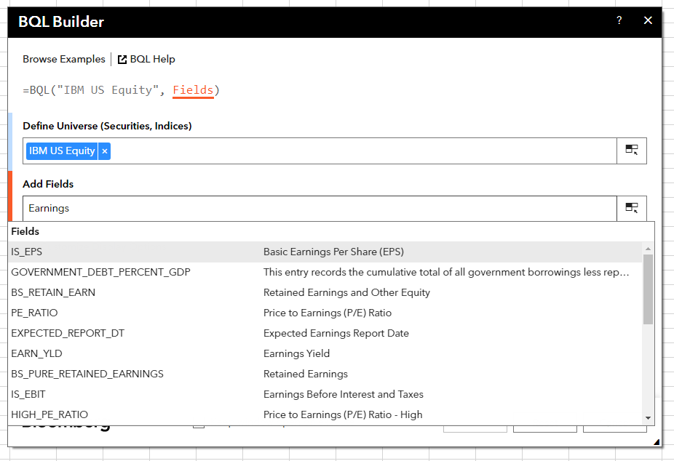
 | Bloomberg Ribbon: BQL Builder + BQL Query Editor
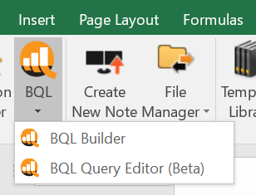

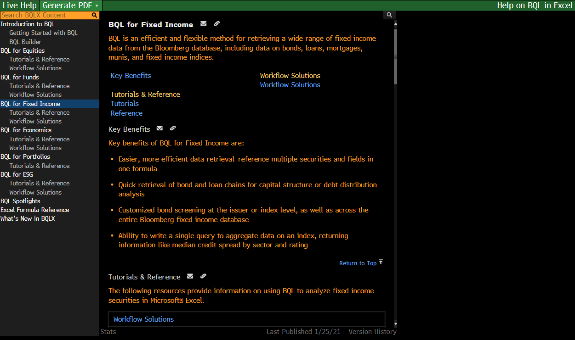
 | BQLX <GO> for HELP Page

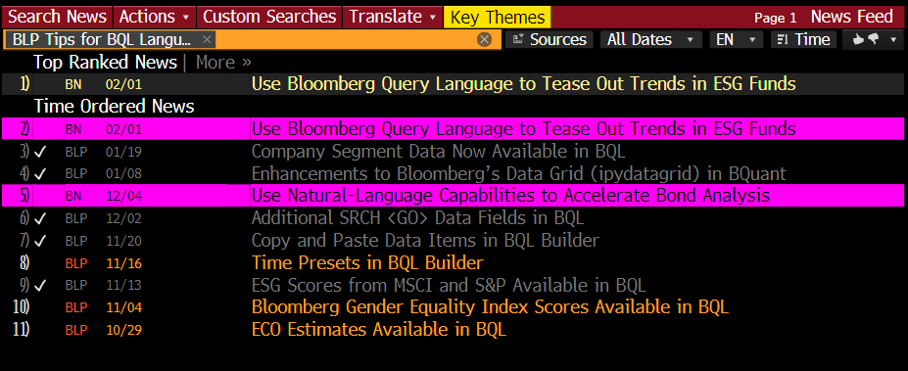
 | NI BLPBQL <GO>
 | Please subscribe it from "Actions" at the top -> Set Alert Delivery

